Rev
Project: | XXXXXXXXXXXXXXXXX |  |  | Doc No: | XXXXX-CAL-00XX
Client: | XXXX |  |  | Rev: | XX
Proj No: | XXXXX |  |  | Filename: | XXXXX-CAL-00XX-XX
Subject: | XXXXXXXXXXXXXXXXX

HARD COPIES ARE UNCONTROLLED - FOR INFORMATION ONLY

Prepared: | X Yyyyyy |  |  | Checked: | X Yyyyyy
Date: | dd-MMM-yy |  |  | Date: | dd-MMM-yy

OBJECTIVES
{Define the objectives of the calculation.}

REVISIONS

Revision | Prepared | Checked | Description
1 | X Yyyyyyy | X Yyyyyy | First issue.

REFERENCES

[1] | {Add full list of reference documents if appropriate - otherwise delete this section.}

Load Cases Setup
How to Use this Sheet
- Blue cells are inputs for the user.
- Purple cells are drop-down selections for the user.
- Work through tables 1-6 to make general 2HKEYGEN and SmartRun (optional) settings.
- Input .keyx component files (.mdl, .rao, .lod, .off) in the purple header columns of the load case matrix.
- (Optional) Include parameter names and values (data tables are defined in the Flexcom Data Tables sheet).
- (Optional) Additional settings can be input to the right of the sheet (click blue arrow).
What to Check
- Blue and purple cells, file directory paths, check box settings.
ARGH! GROWING BUTTONS! What to do:
It's a Windows screen resolution bug. To resolve, don't save the workbook and reopen.
ARGH! SPREADSHEET RUNNING SLOW! What to do:
Performance appears to suffer when large spreadsheets, such as the Model Creator are also open. Recommend to open other large spreadsheets in another instance of Excel.

Click to scroll to Additional Setup Inputs
Click to scroll to General Setup Inputs

 | 2HKEYGEN and SmartRun Setup |  |  |  |  |  |  |  |  |  |  |  |  |  |  |  |  |  | Optional Setup Inputs

 | 1. Analysis Title |  |  |  |  |  |  |  |  | Program Execution Time Stamps |  |  |  |  |  |  |  |  | Additional Files to Copy to 2HKEYGEN Output Directory |  | Post-Analysis Batch File Commands
 | My project |  |  |  |  |  |  |  |  | 2HKEYGEN: | 27/02/2017: 14:21:52 |  |  |  |  |  |  |  | Include Additional Files (for SmartRun): | N | Append Commands to GO.bat: | N
 |  |  |  |  |  |  |  |  |  | SmartRun: | 27/02/2017: 10:21:40 |  |  |  |  |  |  |  |  |  | REM Post-processing on entire analysis
 |  |  |  |  |  |  |  |  |  |  |  |  |  |  |  |  |  |  |  |  | CALL 2HCOMP3D imp_file
 | 2. Batch File Settings |  |  |  | 3. Analysis Directories |  |  |  |  |  |  |  |  |  |  |  |  |  |  |  | CALL GRDSelect grd_file
 | Batch File | (.bat): | GO |  | 2HKEYGEN Input Directory: | Z:\9300 - Dev\9321 - R&D\Non Synched Files\0039 Drilling Riser Model Creator Using Lines\ANL\DR MC Tests\Master |  |  |  |  |  |  |  |  |  |  |  |  |  |  | CALL 2HRNFLOW dat_file

 | SmartRun: |  | Y |  | 2HKEYGEN Output Directory: | Z:\9300 - Dev\9321 - R&D\Non Synched Files\0039 Drilling Riser Model Creator Using Lines\ANL\DR MC Tests\Master\Output
 | Flexcom Version: |  | 8.4
 | No. of Load Cases per Batch File: |  | 1 |  | Flexcom Analysis Directory: (for SmartRun) | O:\2H344-ANALYSIS-STORE\E\DR MC Tests\Master
 | Post-Analysis Batch File: |  | N

 | 4. Flexcom Analysis to Conduct
 | START | (*T.keyx): | Y
 | STATIC | (*S.keyx): | Compulsory
 | QSTATIC | (*Q.keyx): | Y
 | DYNAMIC | (*D.keyx): | Y
 | MODES | (*M.keyx) | N
 | Use Inbuilt ANL and PST Setup: |  | Y
 | No. of Offset Files in Static Analysis: |  | 1
 | No. of Offset Files in Dynamic Analysis: |  | 1
 | Include LOD Only in Last Static File: |  | Y

 | 5. Post-Processing |  |  | Description/Input
 | $DATABASE POSTPROCESSING | Include: | Y | Includes $DATABASE POSTPROCESSING section in *.keyx files.
 |  | Separate File: | N | Writes $DATABASE POSTPROCESSING section to a separate *.keyx file (requires Include $DATABASE POSTPROC set to "Y").
 |  | Run Only: | N | Appends "/p" to RunFlex calls so that only the $DATABASE POSTPROCESSING section is run (requires Include $DATABASE POSTPROC set to "Y").
 | CleanFlex: |  | Y | Writes call to CleanFlex in batch file to delete *.flg, *.grf, *.loc, *.mplt and *.rst files after Flexcom analysis is complete.
 | Custom File Extensions to Delete: |  | Y | cof bak
 | 2HSTRE3D: |  | Y | Writes calls to 2HSTRE3D in batch file (2HSTRE3D Setup tab will appear).
 | Call 2HSTRE3D in Post Batch File: |  | N | Calls to 2HSTRE3D are written to a separate post-processing batch file instead of the batch file(s) for calls to RUNFLEX.
 | 2HCOMP3D: |  | Y | Reveals 2HCOMP3D Setup tab.

Click to scroll to *PARAMETERS Syntax
 | Load Case Matrix |  |  |  |  |  |  |  |  |  |  |  |  |  |  |  |  |  | *PARAMETERS Keyword
 |  |  |  |  |  |  |  |  |  |  |  |  |  |  |  |  |  |  | Syntax below should be added to the start of the MDL file.
 | 6. Load Case Matrix Size |  |  |  |  |  |  |  |  |  |  |  |  |  |  |  |  |  | NB: "Table" parameters are excluded (click for tooltip).
 | Number of Load Cases: |  | 2 |  |  |  |  |  |  |  |  |  |  |  |  |  |  |  | $PREPROCESSOR
 | Number of Parameters: |  | 6 |  |  |  |  |  |  |  |  |  |  |  |  |  |  |  | *PARAMETERS
 |  |  |  |  |  |  |  |  |  |  |  |  |  |  |  |  |  |  | OffsetY, X
 |  |  |  |  |  |  |  |  |  |  |  |  |  |  |  |  |  |  | OffsetZ, X
 |  |  |  |  |  |  |  | TRUE | TRUE |  | TRUE | TRUE |  |  |  |  |  |  | WaveAmplitude, X
 |  |  |  |  |  |  |  | *VESSEL,INTEGRATED |  |  | *VESSEL,INTEGRATED |  |  |  |  |  |  |  | WavePeriod, X
 |  |  |  |  |  |  |  | *RAO & *VESSEL |  |  |  |  |  |  |  |  |  |  | WaveDirection, X

59 | Include | Load Case | Keyword Filename Stem (.keyx) |  |  | File Descriptions for Keyword File Stem |  | Default MDL File | Default RAO File |  | Default LOD File | Default OFF File | Parameter 1 | Parameter 2 | Parameter 3 | Parameter 4 | Parameter 5 | Parameter 6
2 |  |  |  |  |  |  |  | Model | H |  | Load | Offset | OffsetY | OffsetZ | WaveAmplitude | WavePeriod | WaveDirection | CurrentTable
N |  |  |  |  |  | Load | Offset | MDL File | RAO File |  | LOD File | OFF File | [m] | [m] | [m] | [s] | [deg] | [-]
 | Y | 1 | 01_Model_H |  |  |  |  |  |  |  |  |  | 0.0 | 0.0 | 1.70 | 14.90 | 180.00 | Current Profile 1
 | Y | 2 | 02_Model_H |  |  |  |  |  |  |  |  |  | 19.80 | 2.00 | 3.72 | 10.00 | -90.00 | Current Profile 2

2HSTRE3D Setup
User Notes
Specify the 2HSTRE3D .inf file name(s) to be used by each load case.
2HSTRE3D INF File(s) Control

INF File Settings
Number of INF Files per Load Case: |  |  | 1

Additional Settings |  | Description
DNV: | N | Modifies calls to 2HSTRE3D to specify DNV code checks with separate functional and environmental loads (i.e. adds Start analysis to call).
DNV3: | N | Modifies calls to 2HSTRE3D to specify DNV code checks with three loading conditions (i.e. adds Start and QStatic analysis to call).
 | TRUE

Load Case | Keyword Filename Stem (.keyx) |  |  | Default INF File 1
 |  |  |  | Information
 |  |  |  | INF File 1
1 | 01_Model_H
2 | 02_Model_H

Guidance Notes
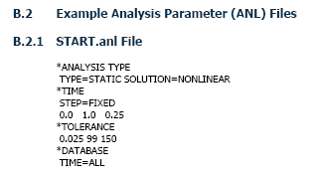
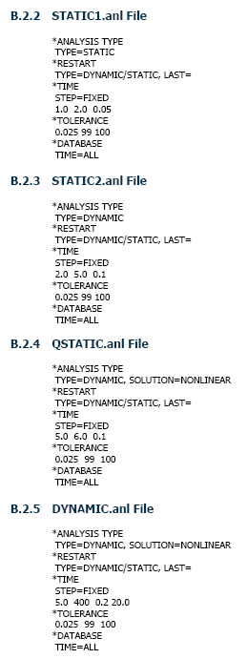
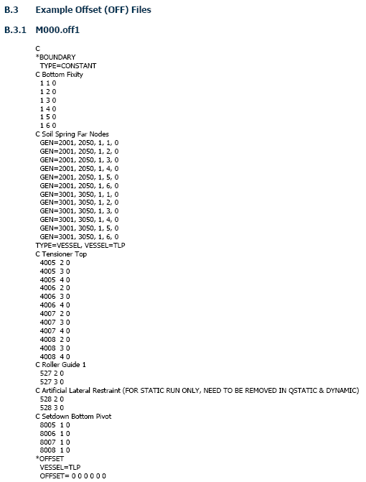
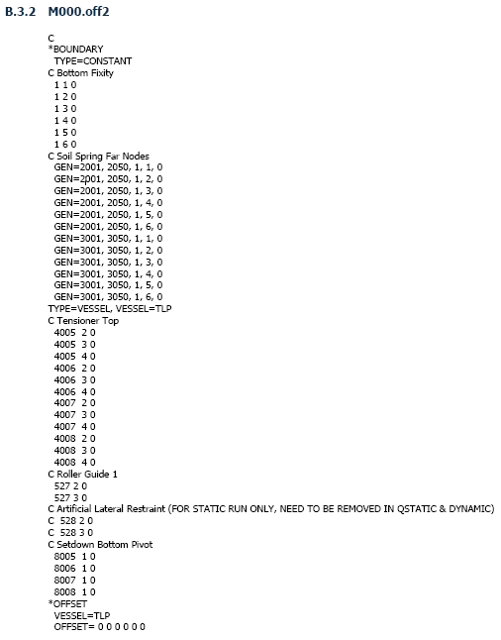
1. Program Execution

2HKEYGEN should be run by clicking on the "Run 2HKEYGEN" button in the Load Cases Setup tab. However, for completeness, the program can also be run by typing the following commands in a DOS command line:

2hkeygen_excel <Input Filename> where, Input Filename = the name of the Excel input file (without file extension).

2. How to Include Parameters in Your Model

Advantages of using parameters are that only one keyword component file of each type is required, i.e. one MDL, RAO, LOD and OFF file. These are considered to be template component files. An example of the input files required when using parameters (including the INF file) is shown below. Note that none of the filenames are to be considered as fixed.

 | Example of input files required
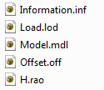

Note: It is possible to mix-and-match methods A and B, as described below, in the same file.

Method A: Using *PARAMETERS Command |  |  |  |  |  |  | Method B: Find and Replace

Advantages: All parameter values in a keyword file are located together at the beginning of the file, making them potentially easier to identify and track. Note can only be used for Flexcom version 8, and above. |  |  |  |  |  |  | Advantages: Simpler, requiring less steps to set up. Parameter names are directly replaced with their corresponding value so that the created keyword file will look like a standard non-parametrised one. Works for all versions of Flexcom.

1) | Define parameters in the MDL file with the $PREPROCESSOR and *PARAMETERS commands (which must be the first commands written in the MDL file), as shown in the example below. Use dummy parameter values. |  |  |  |  |  | 1) | No additions need to be made to the MDL file, unlike with method A.

 | Add to MDL file
 | $PREPROCESSOR
 | *PARAMETERS
 | OffsetY, X
 | OffsetZ, X
 | WaveAmplitude, X
 | WavePeriod, X
 | WaveDirection, X

2) | Input parameters into the template keyword component files (e.g. the default LOD and OFF files), as shown in the example below. Use =[ParameterName] syntax. Also note how a table is defined using the identifier [Table] followed by the table parameter name on the next line in [] brackets. Note that each table call must be preceded by the [Table] in the previous line. |  |  |  |  |  | 2) | Input parameters into the template keyword component files (e.g. the default LOD and OFF files), as shown in the example below. Use [ParameterName] syntax. Also note how a table is defined using the identifier [Table] followed by the table parameter name on the next line in [] brackets. Note that each table call must be preceded by the [Table] in the previous line.

 | Example template LOD file |  |  |  |  |  |  | Example template LOD file
 | *CURRENT |  |  |  |  |  |  | *CURRENT
 | TYPE=PIECEWISE LINEAR |  |  |  |  |  |  | TYPE=PIECEWISE LINEAR
 | [Table] |  |  |  |  |  |  | [Table]
 | [CurrentTable] |  |  |  |  |  |  | [CurrentTable]
 | *WAVE-GENERAL |  |  |  |  |  |  | *WAVE-GENERAL
 | OPTION=MWL |  |  |  |  |  |  | OPTION=MWL
 | *WAVE-REGULAR |  |  |  |  |  |  | *WAVE-REGULAR
 | =[WaveAmplitude], =[WavePeriod], =[WaveDirection] |  |  |  |  |  |  | [WaveAmplitude], [WavePeriod], [WaveDirection]

 | Example template OFF file |  |  |  |  |  |  | Example template OFF file
 | *OFFSET |  |  |  |  |  |  | *OFFSET
 | VESSEL=TORATHER |  |  |  |  |  |  | VESSEL=TORATHER
 | OFFSET=0, =[OffsetY], =[OffsetZ], 0, 0, 0 |  |  |  |  |  |  | OFFSET=0, [OffsetY], [OffsetZ], 0, 0, 0

3) | Input parameters and values for each load case in the paramters table of the Load Cases Setup sheet. Values for parameter tables (e.g. CurrentTable) are the table name as specified in the Flexcom Data Tables sheet (e.g. Current Profile 1, Current Profile 2). |  |  |  |  |  | 3) | Input parameters and values for each load case in the paramters table of the Load Cases Setup sheet. Values for parameter tables (e.g. CurrentTable) are the table name as specified in the Flexcom Data Tables sheet (e.g. Current Profile 1, Current Profile 2).

 | Parameter 1 | Parameter 2 | Parameter 3 | Parameter 4 | Parameter 5 | Parameter 6 |  | Parameter 1 | Parameter 2 | Parameter 3 | Parameter 4 | Parameter 5 | Parameter 6
 | OffsetY | OffsetZ | WaveAmplitude | WavePeriod | WaveDirection | CurrentTable |  | OffsetY | OffsetZ | WaveAmplitude | WavePeriod | WaveDirection | CurrentTable
 | [m] | [m] | [m] | [s] | [deg] | [-] |  | [m] | [m] | [m] | [s] | [deg] | [-]
 | 0.0 | 0.0 | 1.70 | 14.90 | 180.00 | Current Profile 1 |  | 0.0 | 0.0 | 1.70 | 14.90 | 180.00 | Current Profile 1
 | 19.80 | 2.00 | 3.72 | 10.00 | -90.00 | Current Profile 2 |  | 19.80 | 2.00 | 3.72 | 10.00 | -90.00 | Current Profile 2

4) | After running 2HKEYGEN, the generated KEYX file will have its parameter values written to the *PARAMETERS section. Note that the parameter calls written in the keyword commands (e.g. =[OffsetY]) does not get changed (this does not apply for parameter tables however, which work as per Method B). |  |  |  |  |  | 4) | After running 2HKEYGEN, the generated KEYX file will have its parameter calls in the keyword commands (e.g. [OffsetY]) replaced with its associated parameter value.

 | $PREPROCESSOR |  |  |  |  |  |  | *OFFSET
 | *PARAMETERS |  |  |  |  |  |  | VESSEL=Test_Vessel
 | OffsetY, 19.8 |  |  |  |  |  |  | OFFSET=0, 19.8, 2, 0, 0, 0
 | OffsetZ, 2
 | WaveAmplitude, 3.72
 | WavePeriod, 10
 | WaveDirection, -90

 | *OFFSET
 | VESSEL=Test_Vessel
 | OFFSET=0, =[OffsetY], =[OffsetZ], 0, 0, 0

3. *VESSEL,INTEGRATED vs *RAO & *VESSEL

This section explains the effect the drop-down menu in the Load Cases Setup tab, as shown in the screenshots below, has on the *.keyx and *.bat files created.

*VESSEL,INTEGRATED selected |  |  |  |  | *RAO & *VESSEL selected

If selecting *VESSEL,INTEGRATED the *.rao file should be formatted as shown below left, omitting the "*RAO" and "VESSEL=" lines.

 | *.rao file format for *VESSEL,INTEGRATED |  |  |  | *.rao file format for *RAO & *VESSEL
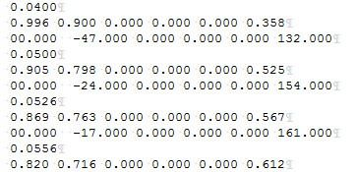
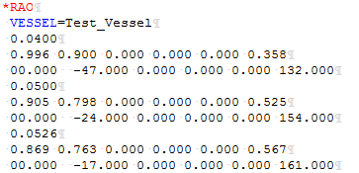

When 2HKEYGEN is run with *RAO & *VESSEL selected, the *.rao file is included in the Start or Static *.keyx file, as shown below.

 | KEYX file format when *RAO & *VESSEL selected
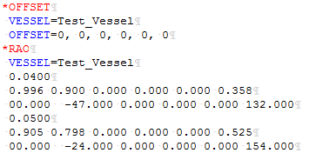

When 2HKEYGEN is run with *VESSEL,INTEGRATED selected, no *.rao file is included in the Start or Static *.keyx file. Flexcom will instead read the *.rao file directly. Furthermore, if SmartRun is active then the *.rao file will be included in the files list string written at the end of the batch file, as shown below.

 | BAT file format when *VESSEL,INTEGRATED selected

4. Multiple Offset Files

This section pertains to the effect of changes made to the inputs in the Load Cases Setup tab, as shown in the screenshot below.

These inputs are of use if additional offset files are required to be run for a Static and/or Dynamic analysis. An example of using multiple offset files during a Static analysis is given in the following *.anl and *.offn files, where n is an integer. In this case the "No. of Offset Files in Static Analysis:" will equal 2. The setup below uses a Start analysis and solves the first Static analysis with an extra boundary condition at element 528, which is then removed in the second Static analysis, starting at 2 seconds.

Note the process is similar if setting up multiple offset files for a Dynamic analysis. For example, if one additional Dynamic file is requested, the ANL files required will be DYNAMIC1.anl and DYNAMIC2.anl (with the associated PST files also required if including post-processing). The index of the offset files extension will follow on from the index of the last offset file used in the Static analysis. In this example, with one additional Static analysis also requested, a *.off3 and *.off4 file will be needed. If no additional Static analyses were set up then the offset file extension index starts at 1.

